20181228
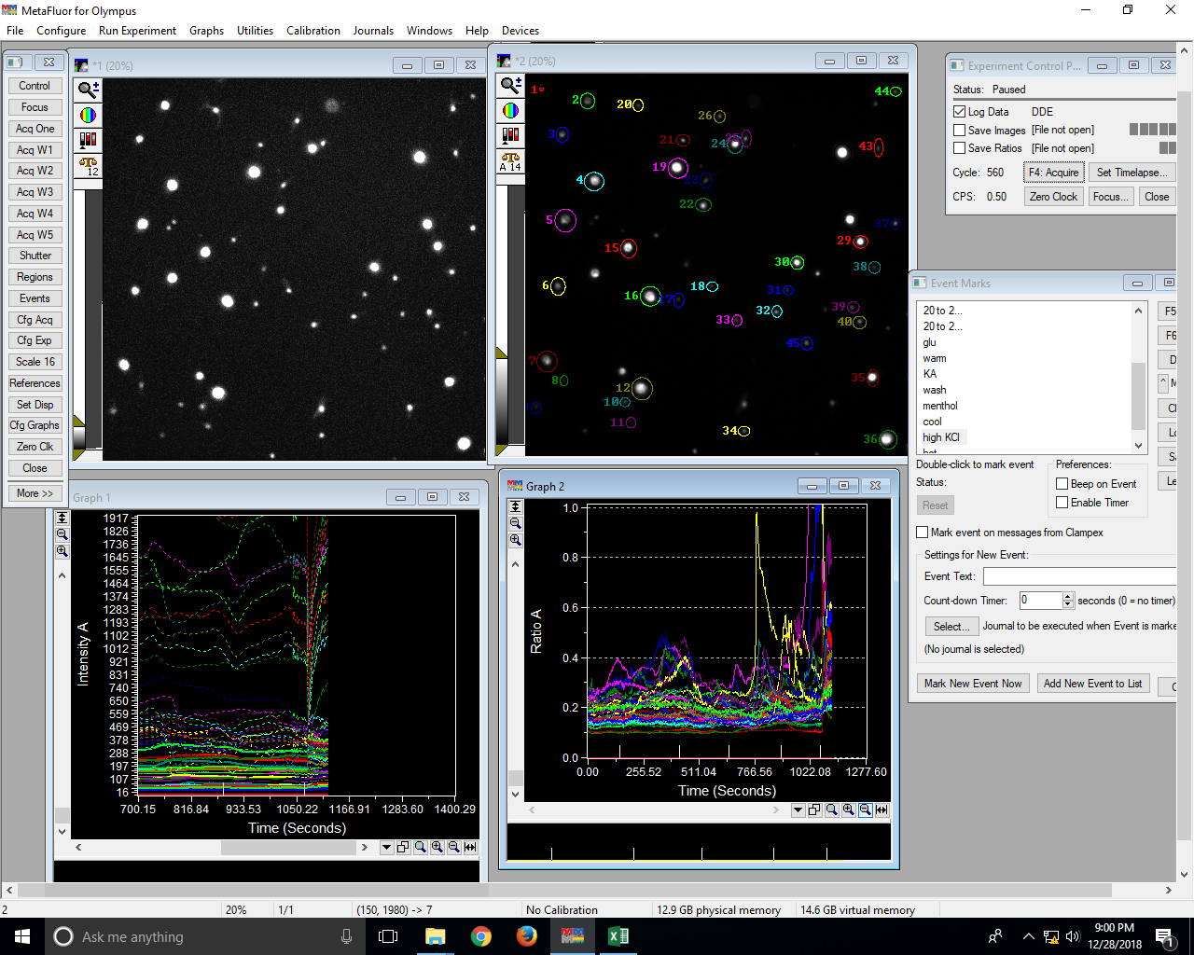
File: DDELog(Excel:20181228 1 1)::
Date: Fri Dec 28 2018 20:41:58.882
0 | Clock reset to 0.0
0.37 | 0 | 0 | 0 | 76.64 | 341.43 | 0.23 | 52.17 | 282.96 | 0.2 | 111.53 | 765.43 | 0.15 | 85.09 | 350.21 | 0.25 | 59.84 | 290.41 | 0.22 | 73.9 | 401.15 | 0.19 | 26.52 | 115.75 | 0.27 | 24.22 | 116.66 | 0.25 | 45.62 | 262.42 | 0.18 | 21.42 | 123.3 | 0.23 | 106.8 | 931.29 | 0.12 | 68.12 | 548.41 | 0.13 | 91.14 | 542.89 | 0.17 | 115.09 | 845.39 | 0.14 | 132.59 | 895.13 | 0.15 | 25.24 | 173.62 | 0.18 | 36.22 | 309.39 | 0.13 | 170.91 | 1234.71 | 0.14 | 63.09 | 344.39 | 0.19 | 36.77 | 219.65 | 0.19 | 89.5 | 472.11 | 0.2 | 38.23 | 248.47 | 0.18 | 144.77 | 1161.81 | 0.13 | 67.02 | 444.95 | 0.16 | 56.26 | 287.85 | 0.21 | 205.83 | 1819.63 | 0.12 | 171.39 | 1504.29 | 0.12 | 163.68 | 1583.98 | 0.11 | 184.02 | 1482.72 | 0.13 | 33.22 | 211.29 | 0.19 | 43.86 | 339.78 | 0.15 | 58.48 | 259.98 | 0.24 | 38.54 | 258.33 | 0.17 | 167.66 | 1569.06 | 0.11 | 167.52 | 1616.7 | 0.1 | 61.35 | 410.45 | 0.16 | 47.17 | 307.59 | 0.17 | 62.24 | 384.77 | 0.17 | 37.39 | 267.2 | 0.17 | 65.43 | 135.34 | 0.51 | 56.11 | 356.4 | 0.17 | 40.58 | 283.75 | 0.16 | 31.91 | 185.71 | 0.19 | 27.76 | 219.34 | 0.16
2.37 | 0 | 0 | 0 | 77.41 | 342.71 | 0.23 | 53.04 | 284.03 | 0.2 | 112.98 | 766.89 | 0.15 | 86.39 | 350.7 | 0.26 | 60.32 | 290.29 | 0.22 | 74.11 | 402.83 | 0.19 | 26.99 | 116.96 | 0.28 | 24.34 | 117.36 | 0.27 | 46.32 | 265.48 | 0.18 | 21.36 | 125.22 | 0.22 | 107.94 | 931.76 | 0.12 | 69.23 | 550.19 | 0.13 | 92.1 | 544.36 | 0.17 | 116.84 | 846.39 | 0.14 | 133.77 | 899.69 | 0.15 | 25.43 | 174.17 | 0.18 | 35.84 | 310.35 | 0.13 | 171.68 | 1234.16 | 0.14 | 63.7 | 347.04 | 0.19 | 37 | 221.06 | 0.19 | 91.08 | 466.78 | 0.2 | 38.33 | 250.21 | 0.17 | 145.56 | 1165.93 | 0.13 | 67.49 | 445.33 | 0.16 | 56.5 | 287.21 | 0.21 | 207.1 | 1825.14 | 0.12 | 171.59 | 1509.6 | 0.12 | 163.4 | 1590.57 | 0.1 | 182.57 | 1490.63 | 0.12 | 33.47 | 212.3 | 0.19 | 44.08 | 341.95 | 0.15 | 58.08 | 259 | 0.24 | 38.9 | 259.47 | 0.17 | 167.88 | 1580.45 | 0.11 | 167.07 | 1626.32 | 0.1 | 61.2 | 411.74 | 0.16 | 47.14 | 308.18 | 0.16 | 62.28 | 386.06 | 0.17 | 36.74 | 270.97 | 0.16 | 66.31 | 131.15 | 0.53 | 56.39 | 358.32 | 0.17 | 40.66 | 285.36 | 0.16 | 31.57 | 186.49 | 0.19 | 27.6 | 221.82 | 0.16
4.37 | 0 | 0 | 0 | 78.2 | 341.77 | 0.24 | 53.6 | 282.51 | 0.2 | 113.83 | 763.98 | 0.15 | 86.72 | 349.92 | 0.26 | 61.05 | 288.98 | 0.22 | 74.01 | 399.88 | 0.19 | 26.87 | 115.88 | 0.28 | 24.02 | 115.34 | 0.26 | 47.35 | 264.32 | 0.18 | 22.27 | 123.94 | 0.22 | 109.18 | 930.62 | 0.12 | 69.08 | 549.12 | 0.13 | 93.26 | 542.01 | 0.18 | 117.03 | 845.85 | 0.14 | 135.78 | 901.4 | 0.15 | 25.66 | 172.18 | 0.18 | 35.73 | 310.14 | 0.13 | 172.37 | 1231.37 | 0.14 | 64.31 | 346.59 | 0.19 | 36.85 | 218.42 | 0.19 | 91.07 | 466.23 | 0.2 | 38.26 | 247.89 | 0.17 | 145.98 | 1164.86 | 0.13 | 67.74 | 443.01 | 0.16 | 56.55 | 283.02 | 0.21 | 207.77 | 1827.38 | 0.12 | 171.63 | 1511.15 | 0.12 | 162.54 | 1593.08 | 0.1 | 182.65 | 1491.47 | 0.12 | 33.09 | 211.69 | 0.19 | 42.84 | 342.31 | 0.14 | 57.42 | 256.34 | 0.24 | 38.84 | 258.07 | 0.17 | 167.77 | 1584.79 | 0.11 | 166.59 | 1638.16 | 0.1 | 61.14 | 410.69 | 0.16 | 46.64 | 308.61 | 0.16 | 61.64 | 384.99 | 0.17 | 36.48 | 269.33 | 0.16 | 65.87 | 124.42 | 0.57 | 56.38 | 357.09 | 0.17 | 40.44 | 284.68 | 0.16 | 31.91 | 184.75 | 0.19 | 27.38 | 221.41 | 0.16
6.37 | 0 | 0 | 0 | 78.77 | 343.82 | 0.24 | 53.72 | 282.1 | 0.2 | 114.73 | 763.82 | 0.15 | 87.45 | 350.27 | 0.26 | 61.28 | 289.96 | 0.22 | 73.7 | 402.6 | 0.19 | 26.73 | 117.3 | 0.27 | 22.74 | 117.38 | 0.23 | 47.46 | 266.1 | 0.18 | 21.36 | 125.08 | 0.21 | 110.06 | 933.19 | 0.12 | 69.46 | 550.26 | 0.13 | 93.74 | 542.67 | 0.18 | 118.3 | 846.57 | 0.14 | 137.14 | 905.16 | 0.15 | 24.97 | 172.38 | 0.18 | 35.03 | 311.09 | 0.13 | 172.69 | 1232.2 | 0.14 | 64.42 | 346.95 | 0.19 | 35.9 | 220.35 | 0.18 | 90.26 | 478.79 | 0.2 | 37.62 | 248.4 | 0.17 | 145.74 | 1165.56 | 0.13 | 67.82 | 445.31 | 0.16 | 56.06 | 283.39 | 0.21 | 207.65 | 1833.87 | 0.12 | 171.5 | 1515.91 | 0.12 | 162.27 | 1595.83 | 0.1 | 181.06 | 1495.49 | 0.12 | 32.06 | 215.01 | 0.18 | 42.5 | 343.97 | 0.14 | 57.56 | 256.07 | 0.24 | 37.93 | 260.21 | 0.16 | 167.67 | 1592.84 | 0.11 | 166.32 | 1648.76 | 0.1 | 60.15 | 412.5 | 0.15 | 45.97 | 308.83 | 0.16 | 61.42 | 385.33 | 0.17 | 35.79 | 270.27 | 0.15 | 65.18 | 119.03 | 0.57 | 56.09 | 359.78 | 0.16 | 40.03 | 284.83 | 0.16 | 31.11 | 186.16 | 0.18 | 26.81 | 223.03 | 0.15
8.37 | 0 | 0 | 0 | 80.3 | 342.79 | 0.24 | 56.19 | 279.8 | 0.21 | 117.1 | 761.82 | 0.16 | 89.9 | 349.62 | 0.27 | 63.22 | 287.95 | 0.23 | 74.73 | 402.86 | 0.19 | 27.22 | 116.92 | 0.27 | 24.14 | 116.27 | 0.26 | 49.35 | 261.27 | 0.19 | 22.92 | 124.19 | 0.23 | 112.9 | 927.42 | 0.12 | 71.44 | 546.75 | 0.13 | 96.41 | 539.7 | 0.18 | 121.05 | 845.7 | 0.15 | 139.92 | 906.58 | 0.16 | 25.81 | 171.77 | 0.18 | 36.77 | 310.85 | 0.14 | 174.37 | 1230.53 | 0.14 | 65.8 | 345.23 | 0.2 | 37.68 | 218.51 | 0.2 | 91.09 | 486.8 | 0.2 | 38.83 | 247.27 | 0.18 | 147.78 | 1164.89 | 0.13 | 69.66 | 443.32 | 0.17 | 57.58 | 280.75 | 0.22 | 209.49 | 1834.33 | 0.12 | 172.27 | 1514.3 | 0.12 | 163.63 | 1596.14 | 0.1 | 182.18 | 1497.15 | 0.12 | 33.2 | 213.47 | 0.19 | 43.46 | 343.71 | 0.14 | 58.86 | 253.23 | 0.25 | 39.25 | 259.19 | 0.17 | 168.44 | 1598.47 | 0.11 | 166.13 | 1652.89 | 0.1 | 61.66 | 409.35 | 0.16 | 47.57 | 306.47 | 0.17 | 62.42 | 382.41 | 0.17 | 37.16 | 270.12 | 0.16 | 66.94 | 114.38 | 0.62 | 57.43 | 358.22 | 0.17 | 40.59 | 285.38 | 0.16 | 31.89 | 185.15 | 0.19 | 27.4 | 224.12 | 0.16
10.37 | 0 | 0 | 0 | 79.7 | 341.78 | 0.24 | 55.24 | 277.63 | 0.21 | 117 | 759.58 | 0.16 | 89.33 | 350.23 | 0.26 | 62.91 | 287.42 | 0.23 | 74.25 | 403.25 | 0.19 | 27.07 | 118.15 | 0.27 | 22.93 | 117.05 | 0.25 | 49.36 | 262.98 | 0.19 | 22.56 | 124.49 | 0.23 | 112.71 | 926.2 | 0.12 | 70.28 | 547.65 | 0.13 | 95.79 | 537.42 | 0.18 | 120.46 | 844.02 | 0.15 | 139.9 | 906.15 | 0.16 | 25.19 | 172.83 | 0.18 | 35.38 | 311.01 | 0.13 | 173.42 | 1226.59 | 0.14 | 65.33 | 346.79 | 0.2 | 36.89 | 218.1 | 0.19 | 89.03 | 493.62 | 0.19 | 37.59 | 246.5 | 0.17 | 147.67 | 1164.16 | 0.13 | 68.55 | 443.57 | 0.16 | 57.2 | 279.31 | 0.22 | 207.81 | 1833.68 | 0.12 | 170.52 | 1513.43 | 0.11 | 162.08 | 1592.21 | 0.1 | 179.85 | 1499.27 | 0.12 | 31.78 | 215.02 | 0.18 | 42.44 | 343.96 | 0.14 | 57.69 | 252.77 | 0.24 | 38.18 | 256.51 | 0.17 | 166.59 | 1602.03 | 0.1 | 164.88 | 1654.93 | 0.1 | 60.22 | 409.32 | 0.16 | 46.21 | 306.75 | 0.16 | 61.22 | 382.85 | 0.17 | 35.75 | 270 | 0.15 | 65.77 | 113.46 | 0.6 | 56 | 358.41 | 0.16 | 39.68 | 284.45 | 0.16 | 31.22 | 185.2 | 0.19 | 26.46 | 225.68 | 0.15
12.37 | 0 | 0 | 0 | 82.35 | 341.4 | 0.25 | 57.67 | 274.07 | 0.22 | 119.39 | 759.29 | 0.16 | 91.2 | 350.33 | 0.27 | 64.4 | 287.49 | 0.24 | 74.87 | 404 | 0.19 | 27.84 | 116.85 | 0.28 | 24.07 | 115.17 | 0.27 | 51.1 | 261.59 | 0.2 | 23.93 | 124.32 | 0.24 | 115.35 | 925.16 | 0.13 | 72.55 | 545.32 | 0.14 | 97.47 | 536.03 | 0.19 | 122.83 | 842.29 | 0.15 | 142.2 | 907.19 | 0.16 | 26.67 | 172.61 | 0.19 | 37.36 | 309.09 | 0.14 | 175.35 | 1225.37 | 0.15 | 66.38 | 345.38 | 0.2 | 37.77 | 218.35 | 0.2 | 89.59 | 500.17 | 0.19 | 38.47 | 244.94 | 0.18 | 148.34 | 1162.17 | 0.13 | 69.66 | 443.57 | 0.17 | 58.26 | 277.6 | 0.22 | 208.42 | 1833.31 | 0.12 | 171.7 | 1512.21 | 0.12 | 162.74 | 1593.37 | 0.1 | 179.5 | 1500.98 | 0.12 | 32.87 | 212.56 | 0.18 | 42.78 | 345.01 | 0.14 | 58.79 | 252.67 | 0.25 | 39.3 | 254.13 | 0.17 | 167.86 | 1603.63 | 0.11 | 165.43 | 1661.48 | 0.1 | 61.12 | 409.82 | 0.16 | 47.46 | 306.82 | 0.17 | 61.99 | 378.16 | 0.17 | 36.86 | 268.54 | 0.16 | 66.52 | 111.88 | 0.63 | 56.88 | 357.95 | 0.17 | 40.41 | 283.05 | 0.16 | 31.97 | 183.88 | 0.19 | 27.29 | 224.99 | 0.15
14.37 | 0 | 0 | 0 | 89.77 | 382.9 | 0.25 | 63.07 | 300.12 | 0.22 | 126.32 | 827.05 | 0.16 | 95.15 | 376.07 | 0.27 | 67.92 | 316.59 | 0.23 | 78.58 | 435.54 | 0.19 | 30.11 | 133.07 | 0.28 | 25.15 | 132.38 | 0.24 | 53.3 | 279.4 | 0.2 | 25.13 | 138.64 | 0.23 | 121.12 | 989.68 | 0.13 | 75.97 | 591.84 | 0.13 | 102.54 | 582.44 | 0.18 | 130.51 | 920.43 | 0.15 | 150.55 | 986.86 | 0.16 | 26.93 | 193.66 | 0.18 | 38.53 | 348.7 | 0.13 | 185.55 | 1328.46 | 0.15 | 71.47 | 387.48 | 0.2 | 39.08 | 241.6 | 0.19 | 94.16 | 560.07 | 0.18 | 39.47 | 266.55 | 0.17 | 157.15 | 1274.45 | 0.13 | 70.37 | 453.94 | 0.17 | 62.42 | 310.73 | 0.22 | 221.81 | 2015.43 | 0.11 | 180.7 | 1668.15 | 0.11 | 172.77 | 1777.97 | 0.1 | 190.53 | 1686.7 | 0.12 | 33.7 | 242.06 | 0.17 | 45.02 | 387.58 | 0.14 | 61.49 | 285.96 | 0.23 | 41.2 | 283.61 | 0.17 | 180.76 | 1796.61 | 0.1 | 174.74 | 1814.7 | 0.1 | 65.2 | 470.71 | 0.15 | 49.11 | 340.72 | 0.16 | 66.51 | 418.86 | 0.17 | 37.69 | 291.63 | 0.16 | 70.89 | 125.25 | 0.6 | 60.07 | 399.67 | 0.16 | 41.93 | 317.61 | 0.15 | 34.06 | 210.75 | 0.18 | 27.81 | 250.44 | 0.15
16.37 | 0 | 0 | 0 | 94.21 | 382.85 | 0.26 | 66.62 | 297.41 | 0.24 | 131.79 | 825.86 | 0.17 | 99.06 | 374.99 | 0.28 | 71.56 | 314.58 | 0.24 | 81.88 | 435.24 | 0.19 | 32.14 | 132.52 | 0.32 | 26.87 | 130.99 | 0.25 | 56.53 | 277.77 | 0.21 | 27.32 | 137.4 | 0.26 | 126.04 | 989.51 | 0.13 | 78.93 | 591.44 | 0.14 | 106.84 | 579.93 | 0.19 | 136.43 | 919.93 | 0.15 | 157.01 | 989.04 | 0.16 | 29.16 | 192.45 | 0.19 | 41.26 | 347.29 | 0.14 | 191.4 | 1324.29 | 0.15 | 75.26 | 384.82 | 0.21 | 41.57 | 240.83 | 0.2 | 97.44 | 564.8 | 0.18 | 41.51 | 264.79 | 0.18 | 162.61 | 1274.53 | 0.13 | 72.11 | 451.64 | 0.17 | 64.76 | 309.6 | 0.23 | 228.21 | 2016.22 | 0.12 | 187.11 | 1669.89 | 0.12 | 180.67 | 1779.17 | 0.1 | 198.57 | 1689.76 | 0.12 | 36.05 | 241.24 | 0.19 | 47.41 | 386.75 | 0.14 | 65.22 | 282.84 | 0.25 | 43.75 | 282.01 | 0.18 | 188.34 | 1799.49 | 0.11 | 179.01 | 1820.08 | 0.1 | 69.36 | 470.1 | 0.16 | 52.17 | 337.98 | 0.17 | 69.44 | 417.12 | 0.18 | 39.51 | 290.15 | 0.16 | 73.12 | 125.28 | 0.61 | 62.3 | 398.02 | 0.17 | 44.04 | 316.02 | 0.16 | 36.07 | 209.27 | 0.19 | 29.51 | 248.9 | 0.16
...
1105.99 | 0 | 0 | 0 | 194.21 | 473.66 | 0.46 | 133.4 | 462.96 | 0.38 | 249.56 | 1063.99 | 0.27 | 160.41 | 437.43 | 0.53 | 133.35 | 365.63 | 0.5 | 146.75 | 491.71 | 0.46 | 60.17 | 162.13 | 0.45 | 49.46 | 159.3 | 0.48 | 86.09
1107.99 | 0 | 0 | 0 | 194.35 | 477.89 | 0.46 | 133.44 | 463.49 | 0.38 | 249.6 | 1071.12 | 0.27 | 160.8 | 440.94 | 0.54 | 133.06 | 370.31 | 0.46 | 146.59 | 497.98 | 0.42 | 61.16 | 161.67 | 0.49 | 49.41 | 158.05 | 0.44 | 87.08
1109.99 | 0 | 0 | 0 | 195.28 | 480.08 | 0.47 | 134.51 | 464.03 | 0.4 | 250.24 | 1076.41 | 0.27 | 161.84 | 443.69 | 0.54 | 133.71 | 375.16 | 0.51 | 147.2 | 503.58 | 0.45 | 61.85 | 161.2 | 0.48 | 50.76 | 156.86 | 0.52 | 88.18
1111.99 | 0 | 0 | 0 | 186.64 | 457.62 | 0.48 | 128.8 | 440.74 | 0.39 | 239.7 | 1029.24 | 0.27 | 155.19 | 424.54 | 0.56 | 128.23 | 361.27 | 0.5 | 141.32 | 484.73 | 0.47 | 59.77 | 152.86 | 0.5 | 48.74 | 149.33 | 0.54 | 84.72
1113.99 | 0 | 0 | 0 | 187.82 | 464.46 | 0.47 | 129.78 | 444.65 | 0.39 | 240.41 | 1043.54 | 0.27 | 156.04 | 429.46 | 0.56 | 129.38 | 365.67 | 0.49 | 141.95 | 493.67 | 0.45 | 61.1 | 153.39 | 0.5 | 50.25 | 149.55 | 0.54 | 85.91
1115.99 | 0 | 0 | 0 | 194.55 | 482.77 | 0.45 | 133.64 | 462.71 | 0.37 | 248.58 | 1090.09 | 0.26 | 160.72 | 450.68 | 0.51 | 132.47 | 385.66 | 0.47 | 145.7 | 519.07 | 0.42 | 62.42 | 158.87 | 0.45 | 50.79 | 154.66 | 0.45 | 89.19
1117.99 | 0 | 0 | 0 | 193.83 | 480.58 | 0.45 | 133.65 | 453.67 | 0.39 | 247.21 | 1093.78 | 0.26 | 161.01 | 450.32 | 0.52 | 131.88 | 387.3 | 0.46 | 145.05 | 521 | 0.43 | 63.34 | 158.2 | 0.51 | 50.61 | 153.02 | 0.48 | 88.44
1119.99 | 0 | 0 | 0 | 194.86 | 478.08 | 0.47 | 135.22 | 453.82 | 0.41 | 248.47 | 1096.36 | 0.27 | 161.57 | 453.15 | 0.53 | 132.86 | 389.31 | 0.48 | 146.38 | 526.03 | 0.45 | 64.28 | 155.77 | 0.55 | 52.72 | 150.21 | 0.54 | 89.82

